2.22 (PART A -TwoWayDataTable)
COPY SHOP PROBLEM SOLUTION:
a.) See two way table for the solution in sheet 2.22 (PART A)
COPY SHOP PROBLEM |  |  |  |  | Cell Names:
 |  |  |  |  | Copier_rent_per_year | ='2.22 (PART A)'!$B$3
Copier rent per year | $5,000.00 |  |  |  | Copies_demand_per_year | =#REF!$B$18
Cost per copy | $0.03 |  |  |  | Copy_demand_per_day | ='2.22 (PART A)'!$B$12
Other fixed costs per month | $400.00 |  |  |  | Copy_demand_per_year | ='2.22 (PART A)'!$B$13
Revenue per copy | $0.10 |  |  |  | Cost_per_copy | ='2.22 (PART A)'!$B$4
No of days open per year | 365 |  |  |  | Cost_per_year | ='2.22 (PART A)'!$B$17
No of months in a year | 12 |  |  |  | Max_copies_per_copier | ='2.22 (PART A)'!$B$9
Max copies per copier | 100,000 |  |  |  | No_of_copier_rented | =#REF!$B$15
 |  |  |  |  | No_of_copier_rented_part2 | =#REF!$B$34
Assumptions |  |  |  |  | No_of_days_open_per_year | ='2.22 (PART A)'!$B$7
Copy demand per day | 500 |  |  |  | No_of_months_in_a_year | ='2.22 (PART A)'!$B$8
Copy demand per year | 100,000 |  |  |  | Number_of_copiers_rented | ='2.22 (PART A)'!$B$14
Number of copiers rented | 1 |  |  |  | Other_fixed_costs_per_month | ='2.22 (PART A)'!$B$5
 |  |  |  |  | Revenue_per_copy | ='2.22 (PART A)'!$B$6
Revenue per year | $10,000 |  |  |  | Revenue_per_year | ='2.22 (PART A)'!$B$16
Cost per year | $12,800
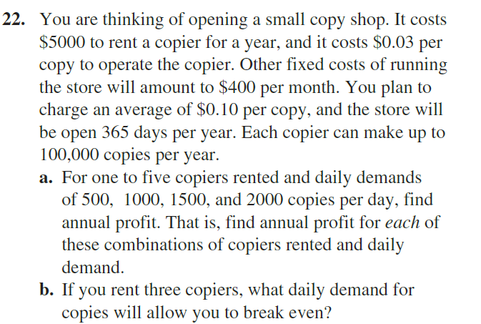
Profit per year | -$2,800

PART A
-$2,800 | 500 | 1000 | 1500 | 2000
1 | -$2,800.00 | -$2,800.00 | -$2,800.00 | -$2,800.00
2 | -$2,025.00 | -$800.00 | -$800.00 | -$800.00
3 | -$7,025.00 | $1,200.00 | $1,200.00 | $1,200.00
4 | -$12,025.00 | $750.00 | $3,200.00 | $3,200.00
5 | -$17,025.00 | -$4,250.00 | $5,200.00 | $5,200.00

IF FUNCTION PROBLEM
COPY SHOP PROBLEM SOLUTION:
b.) We find out after using Goal Seek solution that daily demand should be nearly 775 copy per day with 3 copiers rented to break even in a year. Refer sheet 2.22 (PART B)
COPY SHOP PROBLEM |  | Cell Names:
 |  | Copier_rent_per_year | ='2.22 (PART A)'!$B$3
Copier rent per year | $5,000.00 | Copies_demand_per_year | =#REF!$B$18
Cost per copy | $0.03 | Copy_demand_per_day | ='2.22 (PART A)'!$B$12
Other fixed costs per month | $400.00 | Copy_demand_per_year | ='2.22 (PART A)'!$B$13
Revenue per copy | $0.10 | Cost_per_copy | ='2.22 (PART A)'!$B$4
No of days open per year | 365 | Cost_per_year | ='2.22 (PART A)'!$B$17
No of months in a year | 12 | Max_copies_per_copier | ='2.22 (PART A)'!$B$9
Max copies per copier | 100,000 | No_of_copier_rented | =#REF!$B$15
 |  | No_of_copier_rented_part2 | =#REF!$B$34
Assumptions |  | No_of_days_open_per_year | ='2.22 (PART A)'!$B$7
Copy demand per day | 774.95107632 | No_of_months_in_a_year | ='2.22 (PART A)'!$B$8
Copy demand per year | 282,857 | Number_of_copiers_rented | ='2.22 (PART A)'!$B$14
Number of copiers rented | 3 | Other_fixed_costs_per_month | ='2.22 (PART A)'!$B$5
 |  | Revenue_per_copy | ='2.22 (PART A)'!$B$6
Revenue per year | $28,286 | Revenue_per_year | ='2.22 (PART A)'!$B$16
Cost per year | $28,286
Profit per year | $0

SUMPRODUCT DEMO
Items | Wood units needed to manufacture one item | Profit per unit | Total items manufactured | Cell Names:
Desk | 4 | $250.00 | 125
Chair | 3 | $145.00 | 500 | no_of_chairs_manufactured | ='3.26'!$D$4
 |  |  |  | no_of_desks_manufactured | ='3.26'!$D$3
 |  |  |  | Profit_per_unit | ='3.26'!$C$3:$C$4
FURNITURE COMPANY PROBLEM:
a:) Using solver and simple LP solution, we find out that company's maximum profits is $103,750 with 125 desks and 500 chairs manufactured, given problem constraints.
Total units of wood consumed | 2000 |  |  | Total_items_manufactured | ='3.26'!$D$3:$D$4
 | ≤ |  |  | Total_units__of_wood__consumed | ='3.26'!$B$7
Total wood units available | 2000 |  |  | Total_wood_units_available | ='3.26'!$B$9
 |  |  |  | Wood_units_needed_to__manufacture_one_item | ='3.26'!$B$3:$B$4

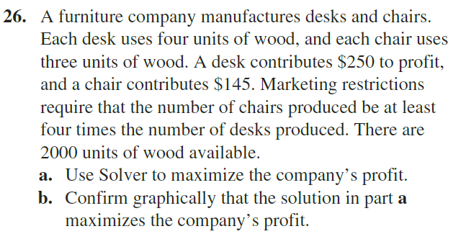
Total profit | $103,750.00

3.26 (PART B)
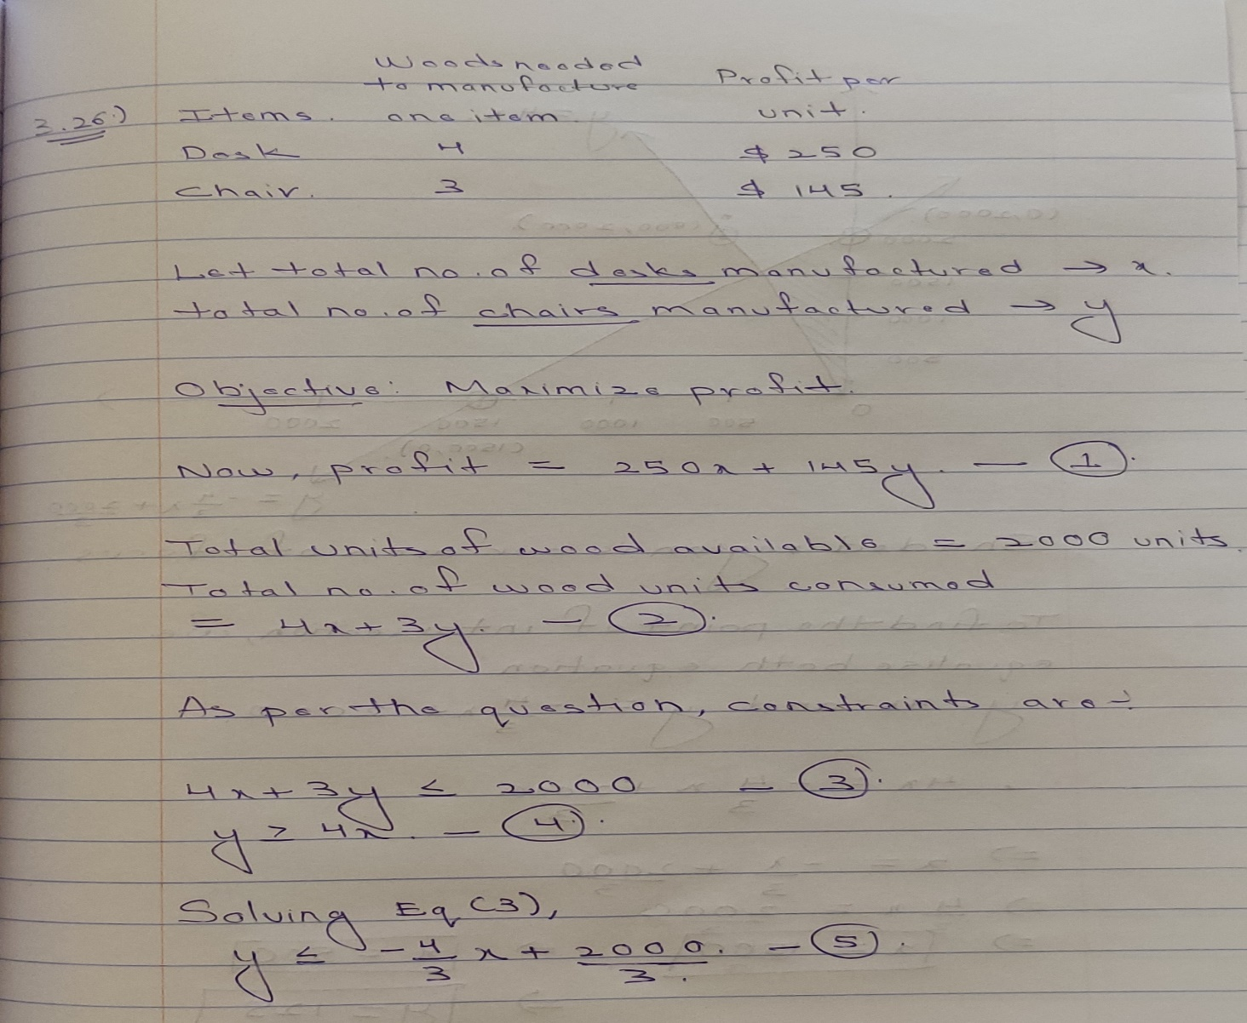
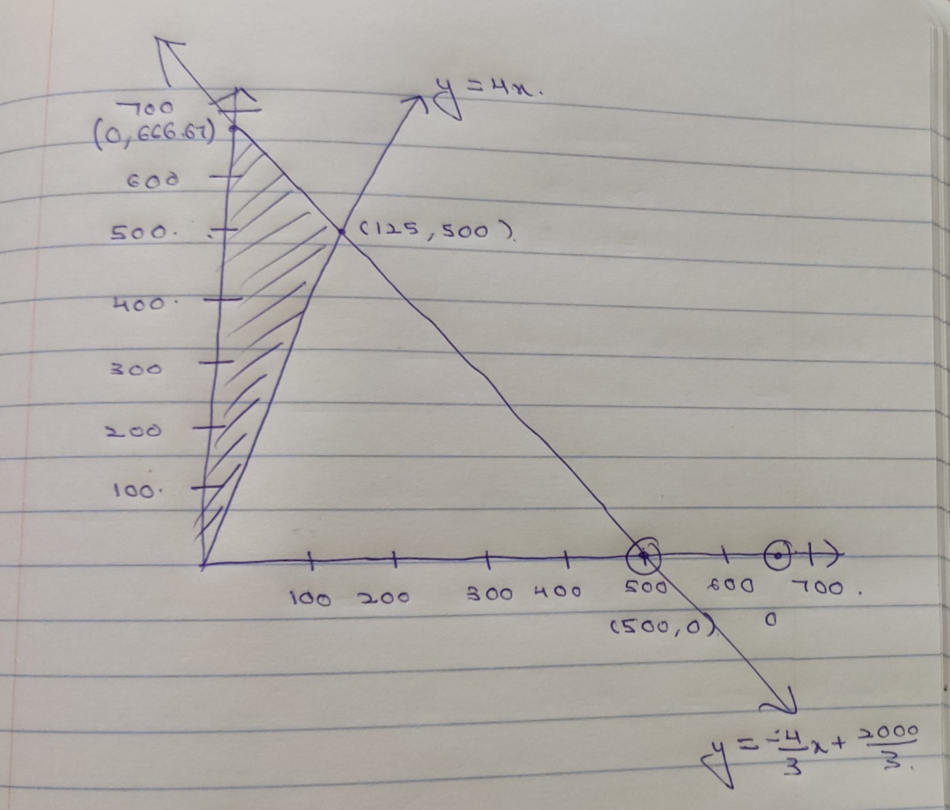

 | >

Step 1 |  | Step 2

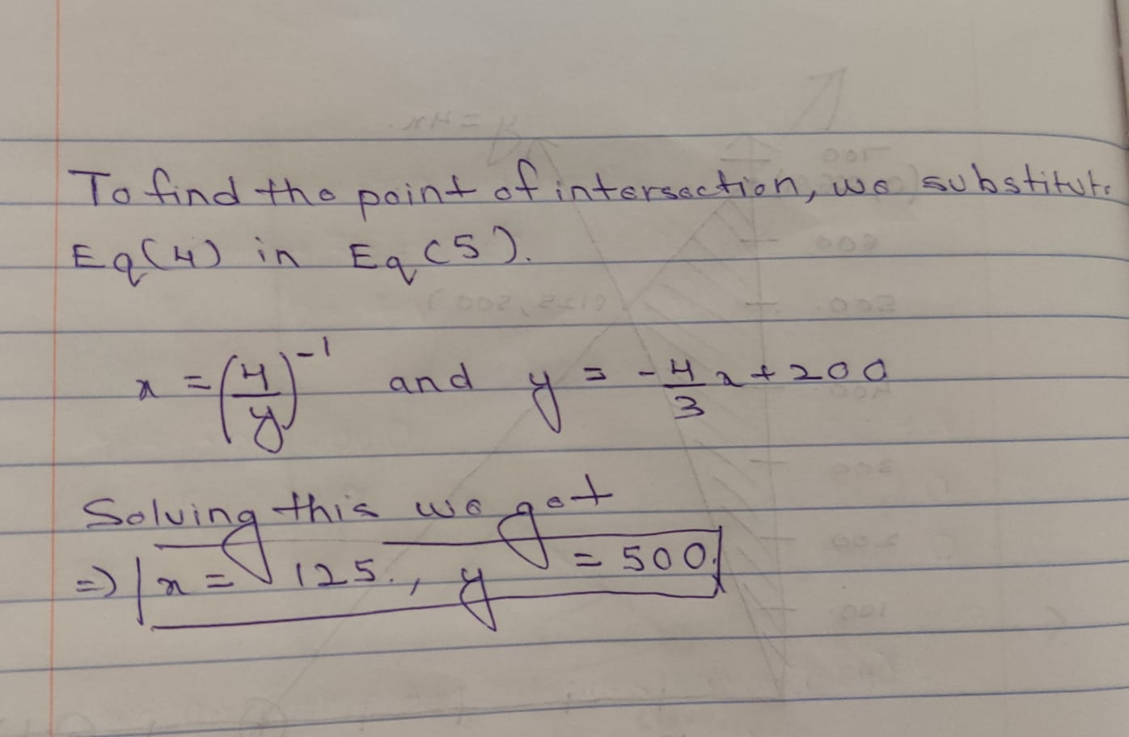
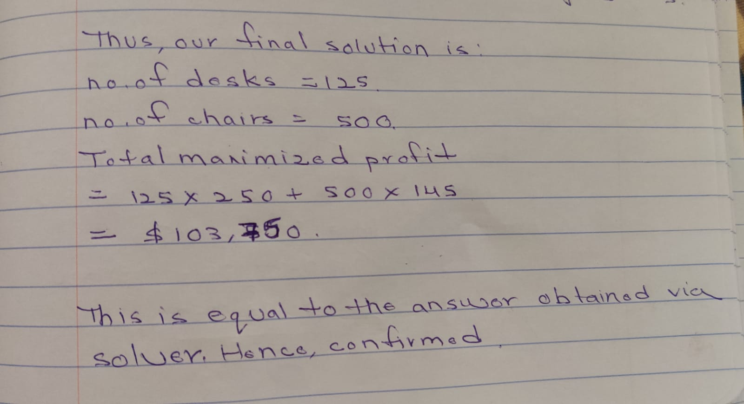

Step 3 |  | Step 4

Solver Analysis
DIET BALANCE PROBLEM

DIET BALANCE PROBLEM:
a:) Using solver solution, we find that Maggie should consume 1.25 units of snack bar and 1.88 units of ice cream in order to adhere to her consumption constraints while still maximizing her taste score.
Items | Weight (in grams) | Calories | Fat (in grams) | Taste Index per Gram | Amount Consumed | Cell Names:
Snack bar | 37 | 120 | 5 | 85 | 1.25 | Amount_Consumed | ='3.30'!$F$4:$F$5
Ice cream | 65 | 160 | 10 | 95 | 1.88 | Calories | ='3.30'!$C$4:$C$5
 |  |  |  |  |  | Constraints | ='3.30'!$B$9:$D$9
Consumed | 168.125 | 450 | 25 |  |  | Consumed | ='3.30'!$B$7:$D$7
 | ≥ | ≤ | ≤ |  |  | Fat__in_grams | ='3.30'!$D$4:$D$5
Constraints | 120 | 450 | 25 |  |  | Taste_Index | ='3.30'!$E$4:$E$5
 |  |  |  |  |  | Taste_Index_per_Gram | ='3.30'!$E$4:$E$5
Objective | Maximize total taste index score |  |  |  |  | Total_Taste_Index_Score | ='3.30'!$B$13
Dependent Variables | Amount Consumed |  |  |  |  | Weight__in_grams | ='3.30'!$B$4:$B$5
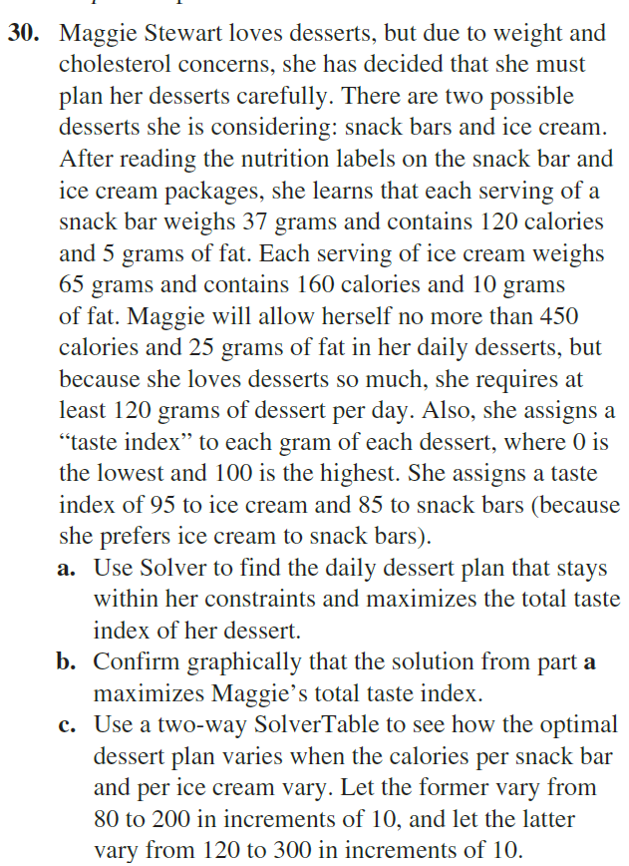
Total Taste Index Score | 15,509

Solver Analysis_2
U.S Labs Data:
a.) Using solver tool, we find out that keeping the required constraints in mind, the minimum cost of acquiring valves is $180,000 with the breakup of number of valves ordered for each type of valve from each supplier displayed in the dependent variable array denoted by orange cell style.
U.S. Labs Data |  |  |  |  |  | Cell Names:
 |  |  |  |  |  | Actual_quantity__ordered | ='3.36'!$B$39:$D$39
 | Cost/valve | % small | % medium | % large | Max available | Cost_valve | ='3.36'!$B$5:$B$7
Supplier 1 | $75 | 40 | 40 | 20 | 2400 | large | ='3.36'!$E$5:$E$7
Supplier 2 | $65 | 30 | 35 | 35 | 2000 | medium | ='3.36'!$D$5:$D$7
Supplier 3 | $50 | 20 | 20 | 60 | 1000 | Min_large | ='3.36'!$D$21
 |  |  |  |  |  | Min_medium | ='3.36'!$C$21
 |  |  |  |  |  | Min_small | ='3.36'!$B$21
 |  |  |  |  |  | number_of_units | ='3.36'!$B$13:$B$15
 |  |  |  |  |  | small | ='3.36'!$C$5:$C$7
 | number of units |  |  |  |  | supplier1_ordered | ='3.36'!$B$13
supplier1_ordered | 0 |  |  |  |  | supplier2_capacity | ='3.36'!$F$6
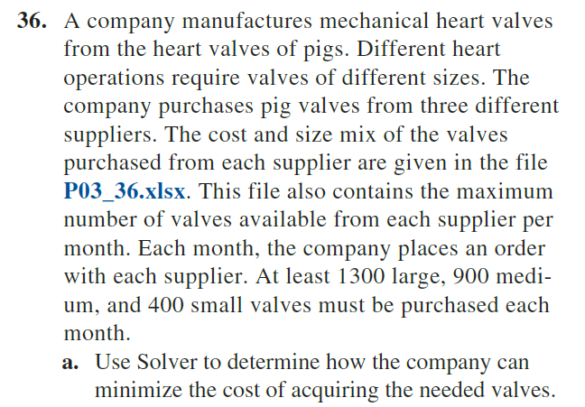
supplier2_ordered | 2000 |  |  |  |  | supplier2_ordered | ='3.36'!$B$14
supplier3_ordered | 1000 |  |  |  |  | supplier3_capacity | ='3.36'!$F$7
 |  |  |  |  |  | supplier3_ordered | ='3.36'!$B$15
 | Total small | Total med | Total large |  |  | suuplier1_capacity | ='3.36'!$F$5
 | 800 | 900 | 1300 |  |  | Total_large | ='3.36'!$D$18
 | >= | >= | >= |  |  | Total_med | ='3.36'!$C$18
 | Min small | Min medium | Min large |  |  | Total_Ordered | ='3.36'!$E$19:$E$21
 | 400 | 900 | 1300 |  |  | Total_small | ='3.36'!$B$18
 |  |  |  |  |  | total_valves_ordered | ='3.36'!$B$18:$D$18

total cost of valves ordered | $180,000.00

